Sheet1
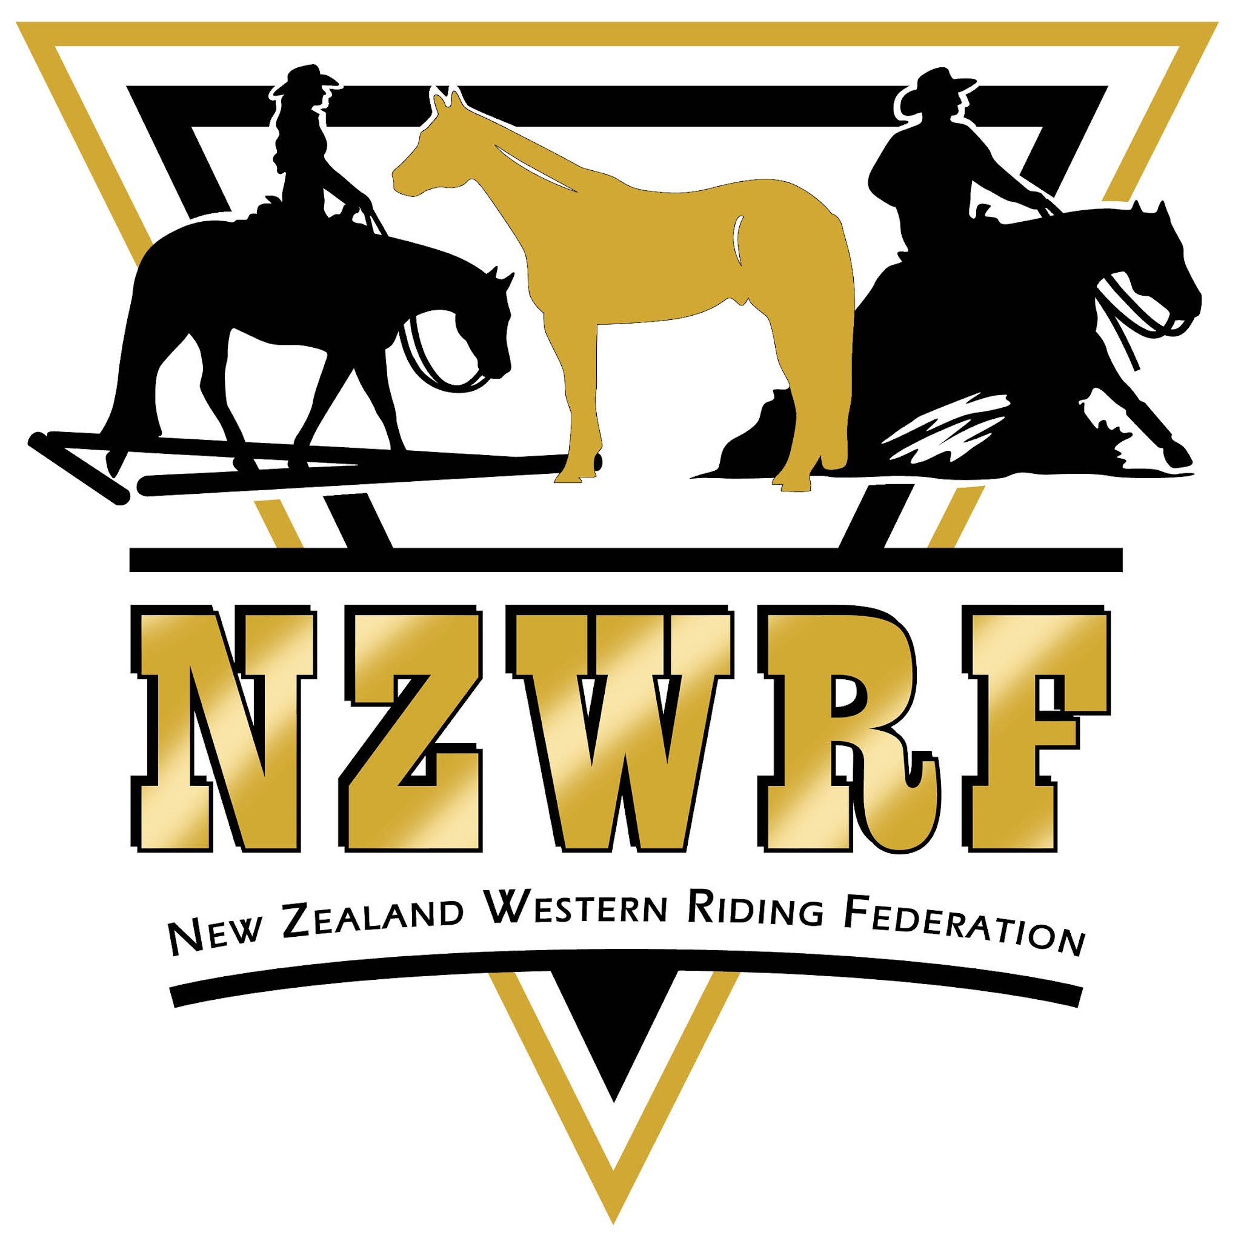

NORTH ISLAND EVENTS
2026-2027

2026-10-01
 | 3-4 October
Waikato Dusti Cup | 10-11 October | WEC, Waikato
 | 17-18 October
Waikato Ranch Weekend | 24-25 October | WEC, Waikato
Gold Coast Have a Go Mock Show | 24-25 October | Johnson Park, Feilding
Northland show | 31 Oct -1st Nov | Whangarei
Manawatu back to back ribbon days | 31 Oct- 1st Nov | Johnson Park, Feilding

2026-11-01
 | 7-8 November
Rotorua Back to Back Ribbon days | 14-15 November | Agrodome, Rotorua
Kumeu Have a go Show | 21-22 November | 115 Hutchinson rd, Helensville
Gold Coast Back to Back Ribbons Day | 28-29 November | Johnson Park, Feilding

2026-12-01
AQHA-NZ Closed Show | 5-6 December | Taupo
Waikato Amateur weekend | 12-13 December | WEC, Waikato
 | 19-20 December
 | 26-27 December

2027-01-01
RVHA NI Stampede | 2-3 January
Franklin Championship Show (8-10th) | 9-10 January | franklin grounds, Tuakau
Manawatu Premier Show (8-10th) | 9-10 January | Johnson Park, Feilding
Kumeu Ride N Slide Cattle weekend | 16-17 January | 115 hutchinson Rd, helensville
Gold Coast Premier Show (22-24th) | 23-24 january | Johnson Park, Feilding
Rotorua Championship Show | 23-24 january | agrodome, Rotorua
 | 30-31 January

2027-02-01
Taranaki Championship Show | 6-7 february | A&P grounds, Stratford
Waikato Championship Show | 13-14 february | WEC, Waikato
 | 20-21 February
PHANZ Nationals (26-28th) | 27-28 February | Taupo

2027-03-01
Kumeu Summer Spectacular (5-7th) | 6-7 March | 115 hutchinson RD, Helensville
 | 13-14 March
North Island Championship Show | 20-21 March | Taupo Grounds
 | 27-28 March

2027-04-01
 | 3-4 April
AQHA Nationals (6th-10th) | 10-11 April
 | 17-18 April
 | 24-25 April

